Laconia
FUNDRAISER FOR BGSA SCHOLARSHIP FUND
Bidding closes on June 5th

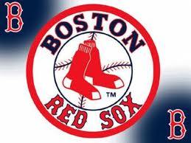

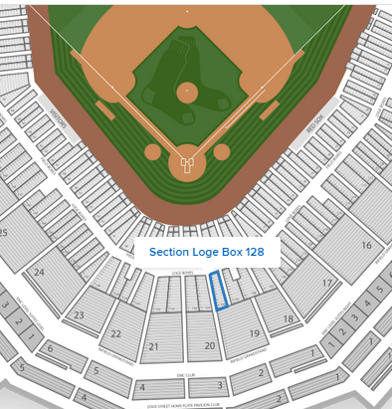

4 Tickets
Behind Home Plate!
Red Sox Game
Thurs. June 25, 2015 |  | Seats in this area
vs. Orioles - 1:35 PM start

Name | Phone # | Bid
starting bid (minimum of increments of $20) |  | $100

