Sheet1
 | JST75 Adult Only XS -XL $34 |  |  | Embroider Name ADD $5. | SIZE | Total Amount Due__________
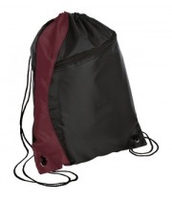 | BG80 - $12 |  | Embroider Name ADD $5. |  |  | Total Amount Due__________
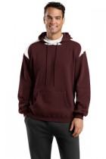 | F264 Adult XS - XL $34 |  |  | Embroider Name ADD $5. | SIZE | Total Amount Due__________
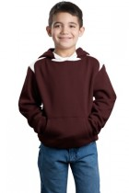 | Y264 Youth XS - XL $30 |  |  | Embroider Name ADD $5. | SIZE | Total Amount Due__________
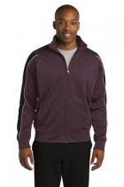 | JST92 Adult XS-XL $38 |  |  | Embroider Name ADD $5. | SIZE | Total Amount Due__________
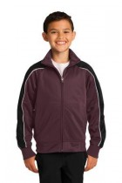 | YST92 Youth XS - XL $36 |  |  | Embroider Name ADD $5. | SIZE | Total Amount Due__________
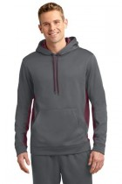 | ST235 Adult Only XS - XL $40 |  |  | Embroider Name ADD $5. | SIZE | Total Amount Due__________
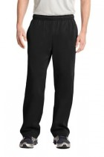 | ST237 Adult XS - XL $32.50 | YST237 Youth XS - XL 28.50 |  | LEFT HIP LOGO RIGHT HIP # OPTION ADD $5. | SIZE | Total Amount Due__________
XXL sizes add. $3.00
XXXL sizes add. $4.00

