Criteria
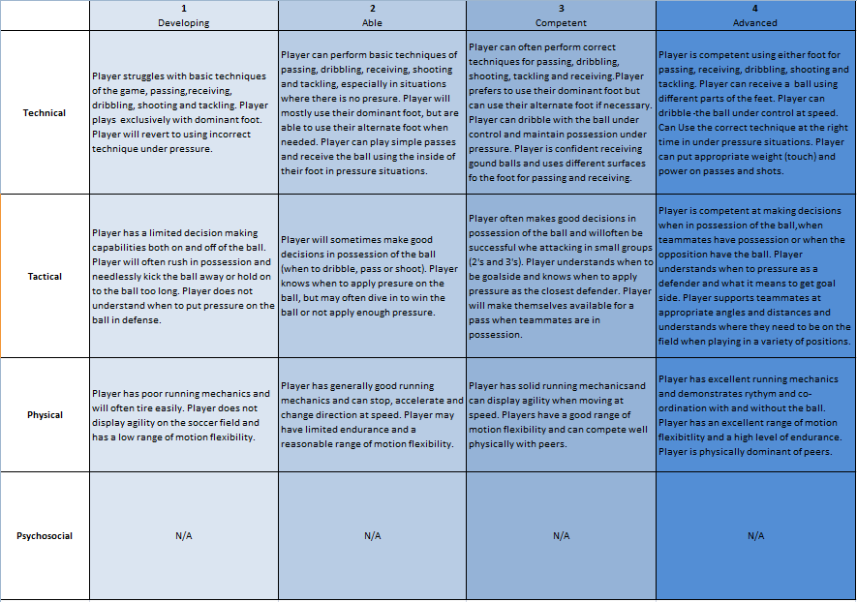

Division Rank | 5 - Bottom 20%, Does not belong in the division easily outplayed physically and technically by most opponents.
 | 4. 20-40% Frequently outplayed due to size and or ability but still able to have fun and contribute occasionally.
 | 3. 40-60% Average for division. Contributes equally to wins and losses.
 | 2. 60-80% Above average but still division appropriate.
 | 1. Top 20% A standout in the division, noticeably better than teammates and most opposition. Would fit in easily in a higher division.

